General
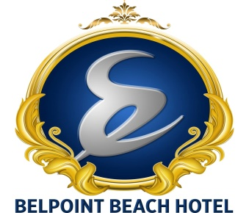

SUMMER 2021 FACT SHEET

Hotel name: | BELPOINT BEACH HOTEL
Old name of Hotel: | CLUB HOTEL POSEIDON
Hotel star rating: | 4
Pension (Board): | ALL INCLUSIVE
Area of the hotel (m2): | 7000 m2

Address of the Hotel: | BELDİBİ MAHALLESİ 4018.SOKAK NO:6 BELDİBİ-1 KEMER / ANTALYA
Name of the resort, distance to center of the resort: | ANTALYA - 23 KM
Name of the nearest town (administrative center), distance to it: | KEMER - 18 KM
Name of the nearest airport, distance to it: | ANTALYA AIRPORT - 45 KM

Year of construction: | 1998
Year of last renovation: | 2018

Check-in: | 14:00:00
Check-out: | 12:00:00

Contact information
Phone number | 90 242 824 87 14
Fax number | 90 242 824 87 15
E-mail | info@belpointbeachhotel.com
Web address | www.belpointbeachhotel.com
Social Media Pages (instagram, facebook, vk, twitter) | https://www.facebook.com/belpointbeachhotel/
 | https://www.instagram.com/belpointbeachhotel/
 | https://twitter.com/belpointbeachh

UNITS | How many units? | How many floors?
Main building | 3 | 4
Bungalow
Villa
Anex building

Credit cards accepted | accepted/not accepted | Comments
Visa | YES
MasterCard | YES
Diners | NO
AmEx | NO

HOLIDAY TYPE | YES/NO
Family Friendly | YES
For Young People | YES
For Couples | YES
Sport Holidays
Aquapark / Slides | YES
SPA & Wellness | YES

CHILDREN | YES/NO | FREE/EXTRA | Comments
Baby chairs in the restaurant | YES | FREE
Baby cots in the rooms | YES | FREE
Baby carriage / trolley | NO
Children's potty | NO
Child seat for toilet | NO
Wash Stand | NO
Baby bath | NO
Baby sitter | NO
Kid's pools - Depth | YES | FREE
(1 outdoor / 1 indoor) |  |  | 1 OUTDOOR
Baby Lounge | NO
Age, working hours
Mini club | NO
Age, working hours
Maxi club | NO
Age, working hours
Tennager club | NO
Age, working hours
Kids animation | NO
Russian speaking
Mini disco | NO
Working hours
Children's playground | YES
Mother corner (feeder heating, blender, microwave) | NO
Children's menu / buffet in the restaurants | NO
Children's restaurant | NO

SPECIFICATIONS | YES/NO | FREE/EXTRA | Comments
Handicapped rooms | NO
Wheelchairs | NO
Ramps on the hotel territory | NO
Pool ramp/pool elevator | NO
Ramps for entrance to the sea | NO
Pets | NO
Smoking / Non smoking rooms | YES
Smoking zone | YES
Non smoking zone in Hotel territory | YES
Non smoking zone on the beach | NO

