Photos
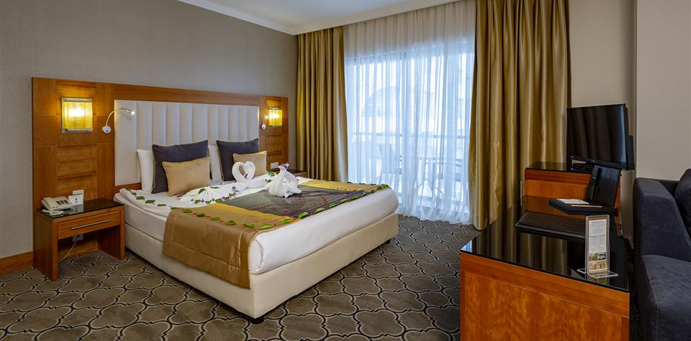
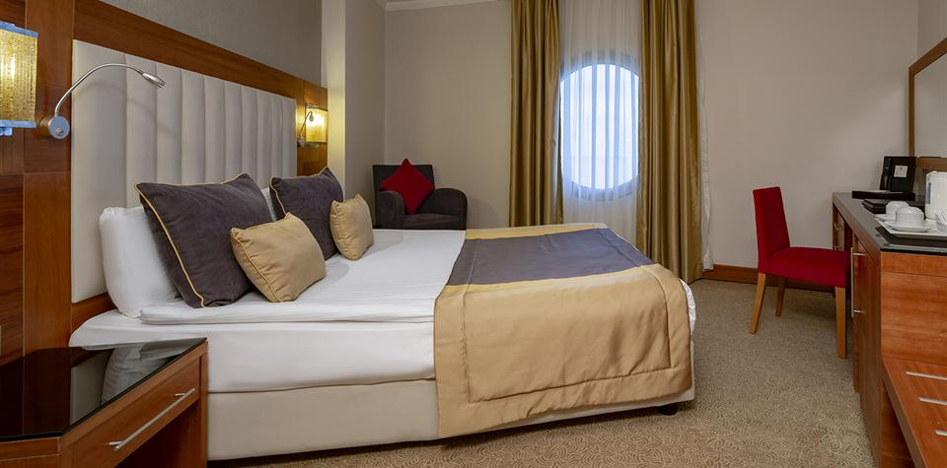
STANDART ROOM

.

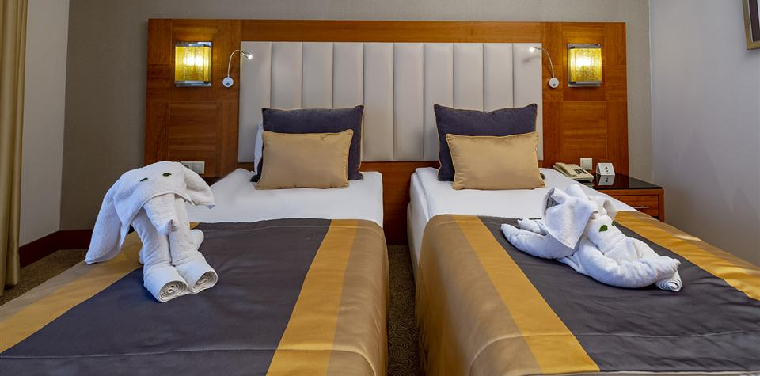
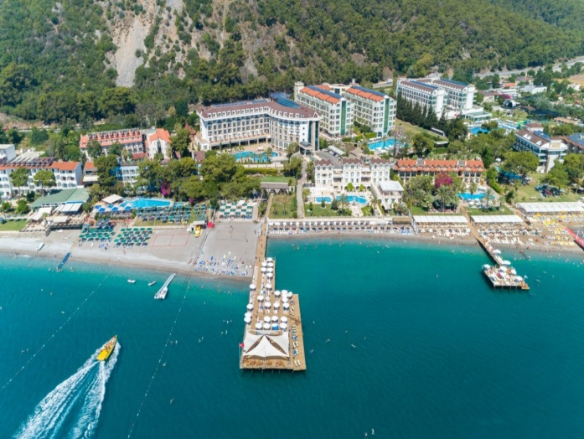
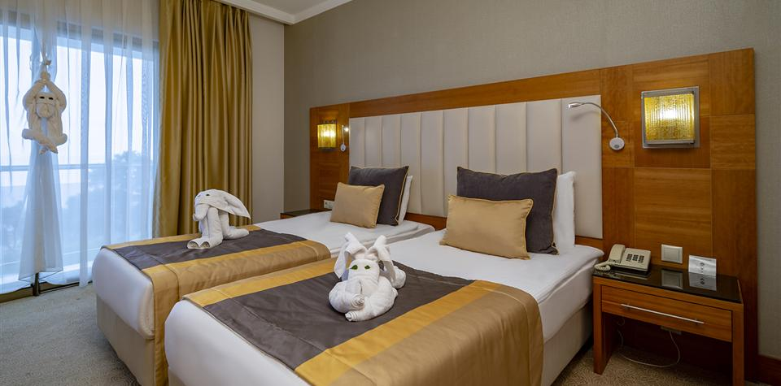

FAMILIY ROOM

.

Room Sketch
EXAMPLE SKETCH
ROOM CATEGORY

ROOM CATEGORY
ROOM CATEGORY

